About
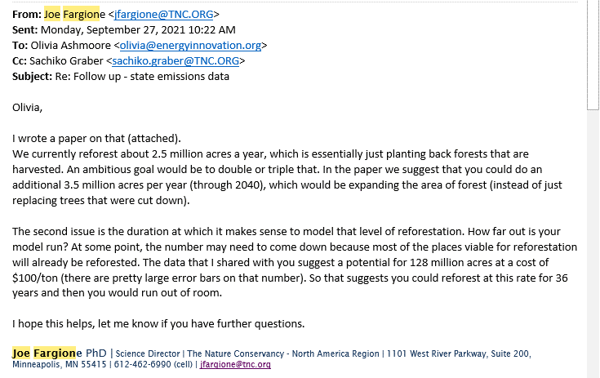
PLANAbPiaSY Potential Land Area Newly Affected by Policy in a Single Year

Sources:
 | Total EU Forest Acreage
 | Eurostat
 | 2023
 | Area of wooded land
 | https://ec.europa.eu/eurostat/databrowser/view/FOR_AREA_EFA__custom_672302/bookmark/table?lang=en&bookmarkId=2b089c56-a550-4f87-943e-0989dacf605a

 | CO2 per land unit: reforestation, avoided deforestation, and grasslands
 | Nature4Climate
 | US Carbon Mapper
 | https://nature4climate.org/nature-in-action/ncs-world-atlas/
 | Data underlying the online mapper send by Chris Zganjar upon request March 2023

 | Reforestation per year
 | Fargione, et al.
 | Challenges to the Reforestation Pipeline in the United States
 | Frontiers in Forests and Global Change
 | February 2021
 | https://www.frontiersin.org/articles/10.3389/ffgc.2021.629198/full

Notes
In the US EPS, we repurpose the forest restoration policy to represent
grassland restoration and avoided conversion.

Because most forest management policies in the US are targeted at privately
owned lands, we calculate the available acreage for the forest management
policy based on a share of private owned forests.

Guidance regarding acres available per year in TNC data:

